DETAIL
NO | UA STYLE NO. | ITEM | STYLE NAME | FABRIC CONTENT | Q'TY | EXTRA | TOTAL | NOTE | REFERENCE FOR VISUAL ONLY
1 | C0007-CRW323 | FUKUOKA | FUKUOKA TRI-FERG CREW | 100% COTTON | 320 | 32 | 352 | 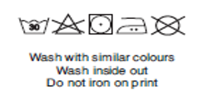
TOTAL |  |  |  |  | 320 | 32 | 352

