DETAIL 2
NO | UA STYLE NO. | ITEM | STYLE NAME | PLM | COLOR | SKU | FABRIC CONTENT | Q'TY | EXTRA | TOTAL | CARE INSTRUCTIONS | REFERENCE FOR VISUAL ONLY
1 | C0046-SST277 | SS TEE | She Sends T-Shirt | AW25M50010TEE | RAPHA WHT CARE LBL | CYE01XXMUL | 100% ORGANIC COTTON | 127 | 19 | 148 |  | 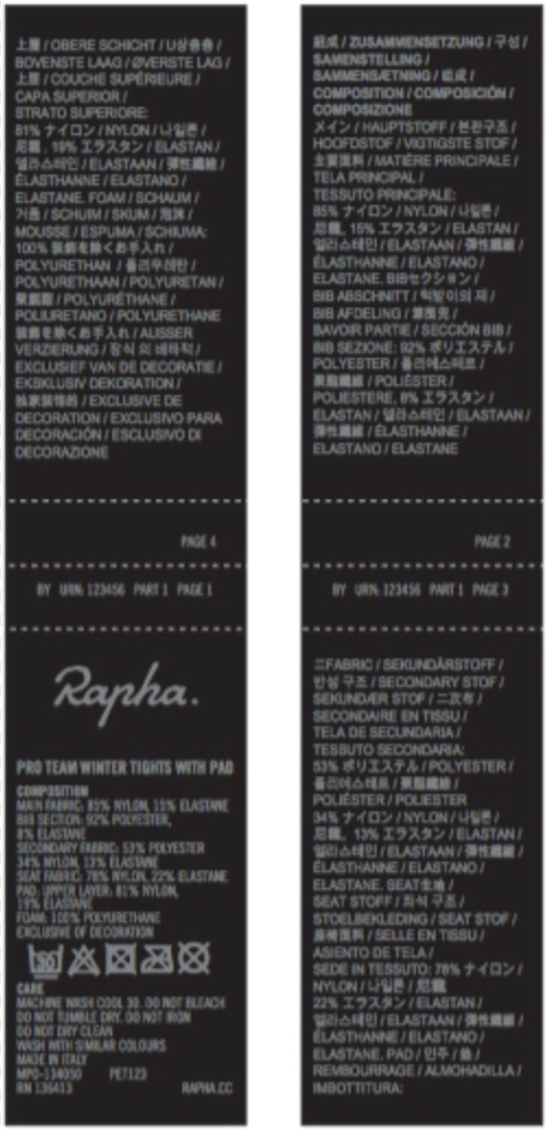
2 | C0046-SST278 | SS TEE | She Sends Women's T-Shirt | AW25W50011TEE | RAPHA WHT CARE LBL | CYF01XXMUL | 100% ORGANIC COTTON | 67 | 15 | 82
TOTAL |  |  |  |  |  |  |  | 194 | 34 | 230

 |  |  |  |  |  |  |  |  |  | 13

