PO
 |  |  |  |  |  |  |  |  |  |  |  | Mã số: | PUR.QT-2.BM1
 |  |  |  |  |  |  |  |  |  |  |  | Lần ban hành: | 01
 |  |  |  |  |  |  |  |  |  |  |  | Số trang: | 1900-01-01

SUPPLIER: |  | SH TRIMS |  |  | CUSTOMER : |  | RAPHA |  |  |  |  | ORDER DATE: | 6-Nov-25
ADDRESS: |  |  |  |  | SEASON : |  | SS26 - SHANGHAI CLUBHOUSE |  |  |  |  | ORDER NO#
ATTN : |  |  |  |  | ETA REQUEST: |  | 26-Nov-25 |  |  |  |  | JOB NUMBER : | R12 SS26 G2939
TEL / FAX : |  |  |  |  | GARMENT EXIT DATE : |  | 6-Dec-25 |  |  |  |  | ORDERED BY : | THANH QUÝ / QUỲNH

STYLE NAME
COLOR CODE
SIZE
SKU
BARCODE
STYLE NO | CODE TRIMS | DESCRIPTION | DIMENSION / LENGTH | QUALITY APPROVED | CODE | COLOR | UNIT | ORDER QUANTITY | INVENTORY AT IPO DATE | ACTUAL QUANTITY | PRICE | AMOUNT | REMARK
ALL STYLES |  | Barcode Sticker RAPHA ADH1 | 40mm x 50mm | THEO PO R12-0078 | RAPHA ADH1 | WHITE/BLACK | PCS | 705 | 0 | 705 | VND 0 | VND 0 |  | 3654 | 10793 | 20547 | 17187 | 8414 | 2511
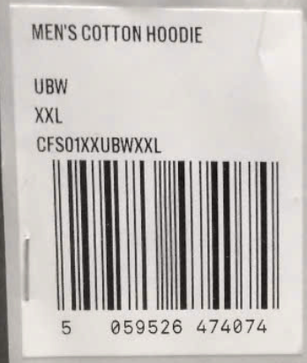

 |  |  |  |  |  |  | Total: | 705 |  | 705 |  | VND 0

RECEIVED BY |  |  |  | APPROVED BY |  |  |  |  |  |  | PREPARED BY

 |  |  |  |  |  |  |  | 672
 |  |  |  |  |  |  |  | 4567

 |  |  |  |  | 183.6

