PO
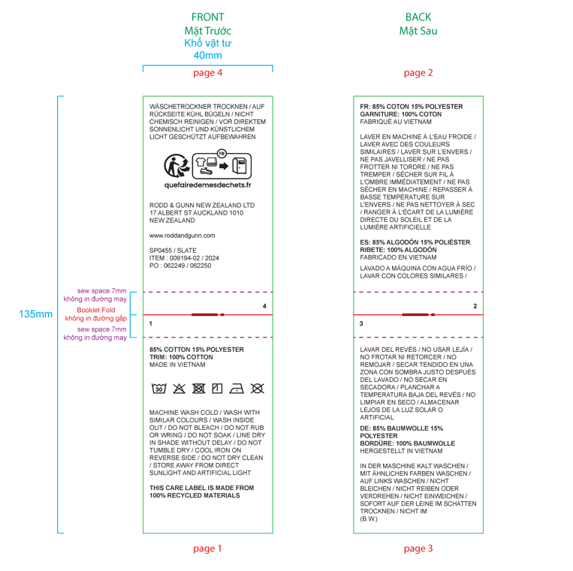
 |  |  |  |  |  |  |  |  |  |  |  | Mã số: | PUR.QT-2.BM1
 |  |  |  |  |  |  |  |  |  |  |  | Lần ban hành: | 01
 |  |  |  |  |  |  |  |  |  |  |  | Số trang: | 1900-01-01

SUPPLIER: |  | AVERY VIETNAM |  |  | CUSTOMER : |  | RODD & GUNN |  |  |  |  | ORDER DATE: | 11-Sep-25
ADDRESS: |  |  |  |  | SEASON : |  | AW26 - DROP 1 |  |  |  |  | ORDER NO#
ATTN : |  |  |  |  | ETA REQUEST: |  | 10-Oct-25 |  |  |  |  | JOB NUMBER : | R14 AW26 G2973
TEL / FAX : |  |  |  |  | GARMENT EXIT DATE : |  | 15-Feb-26 |  |  |  |  | ORDERED BY : | DIEU

STYLE NO | CODE TRIMS | DESCRIPTION | DIMENSION / LENGTH | QUALITY APPROVED | CODE | COLOR | UNIT | ORDER QUANTITY | INVENTORY AT IPO DATE | ACTUAL QUANTITY | PRICE | AMOUNT | REMARK
SP0455 | 2-1510A053-S0017 | CARE LABEL - GỬI LẠI LAYOUT ĐỂ DUYỆT TRƯỚC KHI ĐẶT HÀNG |  | NOMINATED | X | WHITE | PCS | 5,860 | 0 | 5,860 |  | VND 0 | XEM DETAIL "CARE INSTRUCTION LABEL"

 |  |  |  |  |  |  | Total: | 5,860 |  | 5,860 |  | VND 0

CẦN 10PCS/LAYOUT ĐỂ MAY MẪU PPS

RECEIVED BY |  |  |  | APPROVED BY |  |  |  |  |  |  | PREPARED BY

CARE INSTRUCTION LABEL
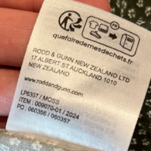
Order from Avery
SP0455 | Care Label | MADE IN VIETNAM

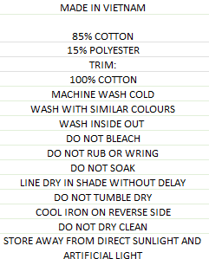
 |  | 85% COTTON
 |  | 15% POLYESTER
 |  | TRIM:
 |  | 100% COTTON
 |  | MACHINE WASH COLD
 |  | WASH WITH SIMILAR COLOURS
 |  | WASH INSIDE OUT
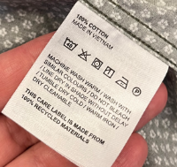
 |  | DO NOT BLEACH
 |  | DO NOT RUB OR WRING
 |  | DO NOT SOAK
 |  | LINE DRY IN SHADE WITHOUT DELAY
 |  | DO NOT TUMBLE DRY
 |  | COOL IRON ON REVERSE SIDE
 |  | DO NOT DRY CLEAN
 |  | STORE AWAY FROM DIRECT SUNLIGHT AND
 |  | ARTIFICIAL LIGHT

PO# | ITEM COLOR REF | DESCRIPTION CODE | TOTAL | ORDER | COLOR | MARKET
#74964, #74965 | 009194-01 | SP0455 | 1574 | 1715 | ECLIPSE | AU, NZ
#74971, #74975 | 009194-02 | SP0455 | 946 | 1037 | SLATE | AU, NZ
#74973, #74972 | 009194-03 | SP0455 | 944 | 1035 | NOIR | AU, NZ
#74969, #74970 | 009194-04 | SP0455 | 1261 | 1377 | FOREST | AU, NZ
#74966, #74967 | 009194-05 | SP0455 | 630 | 696 | OXBLOOD | AU, NZ
TOTAL |  |  |  | 5860

