PREPACK AU
 | FOLLOW THEO LAYOUT NHƯNG THAY ĐỔI VÀI ĐIỂM NHƯ BÊN DƯỚI

 |  |  | THAY THẾ ĐỊA CHỈ TRONG Ô MÀU ĐỎ THÀNH ĐỊA CHỈ NÀY | Rodd & Gunn Australian Distribution Centre UNIT 1B 427-451 Somerville Road Tottenham VIC 3012
GIỮ NHƯ LAYOUT |  | GIỮ NHƯ LAYOUT |  |  | GIỮ NHƯ LAYOUT

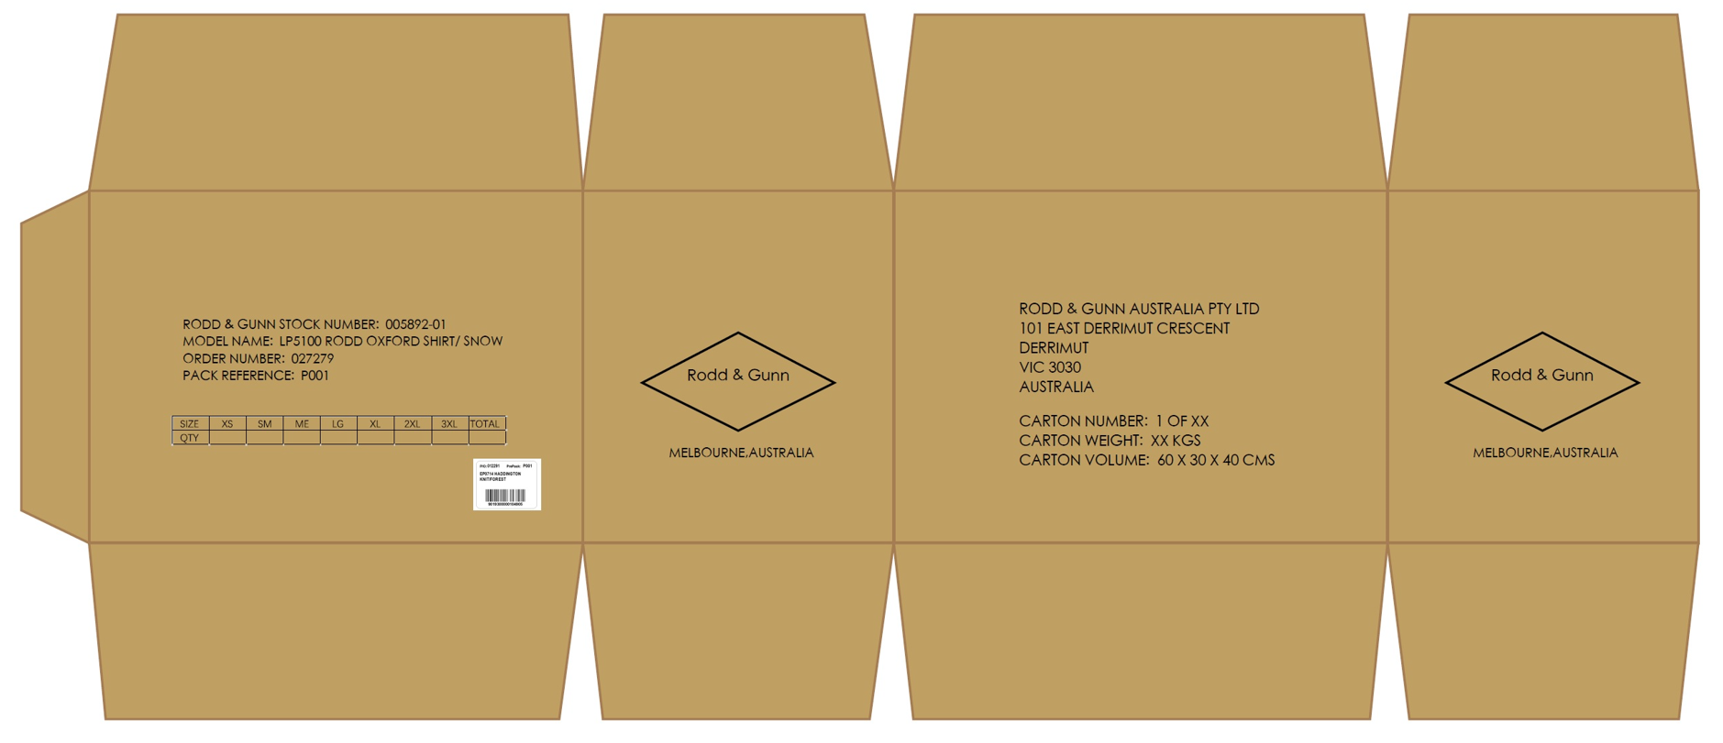

Rodd & Gunn Australian Distribution Centre
UNIT 1B
427-451 Somerville Road
Tottenham VIC 3012

PREPACK NZ
 | FOLLOW THEO LAYOUT NHƯNG THAY ĐỔI VÀI ĐIỂM NHƯ BÊN DƯỚI

 |  | THAY THẾ ĐỊA CHỈ TRONG Ô MÀU ĐỎ THÀNH ĐỊA CHỈ NÀY | Rodd & Gunn New Zealand C/O Kerry Logistics Limited 4 Joseph Hammond Place, Auckland 2022
GIỮ NHƯ LAYOUT | GIỮ NHƯ LAYOUT, KHÔNG IN NỀN TRẮNG DƯỚI CHỮ |  |  | GIỮ NHƯ LAYOUT, KHÔNG IN NỀN TRẮNG DƯỚI CHỮ

Rodd & Gunn New Zealand
C/O Kerry Logistics Limited
4 Joseph Hammond Place,
Auckland 2022

LOOSE_SOLID NZ
 | FOLLOW THEO LAYOUT NHƯNG THAY ĐỔI VÀI ĐIỂM NHƯ BÊN DƯỚI

 |  | THAY THẾ ĐỊA CHỈ TRONG Ô MÀU ĐỎ THÀNH ĐỊA CHỈ NÀY | Rodd & Gunn New Zealand C/O Kerry Logistics Limited 4 Joseph Hammond Place, Auckland 2022
GIỮ NHƯ LAYOUT | GIỮ NHƯ LAYOUT, KHÔNG IN NỀN TRẮNG DƯỚI CHỮ |  |  | GIỮ NHƯ LAYOUT, KHÔNG IN NỀN TRẮNG DƯỚI CHỮ

Rodd & Gunn New Zealand
C/O Kerry Logistics Limited
4 Joseph Hammond Place,
Auckland 2022

