POLYBAG STICKER
 | LAYOUT POLYBAG STICKER
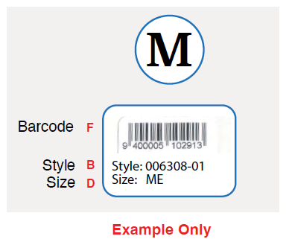

 | B | D | F
SUPPLI (PO) | STYLE | SIZE | BARCODE | ANZ PRICE $ | QUANTITY | ORDER
074964/074965 | 009194-01 | XS | 9401090127690 | 139 | 43 | 47
074964/074965 | 009194-01 | SM | 9401090127850 | 139 | 188 | 204
074964/074965 | 009194-01 | ME | 9401090127867 | 139 | 385 | 416
074964/074965 | 009194-01 | LG | 9401090128031 | 139 | 422 | 456
074964/074965 | 009194-01 | XL | 9401090128048 | 139 | 280 | 303
074964/074965 | 009194-01 | XXL | 9401090128055 | 139 | 141 | 153
074964/074965 | 009194-01 | XXXL | 9401090128062 | 139 | 41 | 45

074971/074975 | 009194-02 | XS | 9401090127645 | 139 | 32 | 35
074971/074975 | 009194-02 | SM | 9401090128086 | 139 | 132 | 143
074971/074975 | 009194-02 | ME | 9401090128093 | 139 | 243 | 263
074971/074975 | 009194-02 | LG | 9401090128109 | 139 | 240 | 260
074971/074975 | 009194-02 | XL | 9401090128116 | 139 | 156 | 169
074971/074975 | 009194-02 | XXL | 9401090128123 | 139 | 75 | 81
074971/074975 | 009194-02 | XXXL | 9401090128130 | 139 | 22 | 24

074972/074973 | 009194-03 | XS | 9401090128147 | 139 | 28 | 31
074972/074973 | 009194-03 | SM | 9401090128154 | 139 | 120 | 130
074972/074973 | 009194-03 | ME | 9401090128161 | 139 | 226 | 245
074972/074973 | 009194-03 | LG | 9401090128178 | 139 | 245 | 265
074972/074973 | 009194-03 | XL | 9401090128185 | 139 | 162 | 175
074972/074973 | 009194-03 | XXL | 9401090128192 | 139 | 96 | 104
074972/074973 | 009194-03 | XXXL | 9401090128208 | 139 | 23 | 25

074969/074970 | 009194-04 | XS | 9401090128215 | 139 | 36 | 39
074969/074970 | 009194-04 | SM | 9401090128222 | 139 | 170 | 184
074969/074970 | 009194-04 | ME | 9401090128239 | 139 | 295 | 319
074969/074970 | 009194-04 | LG | 9401090128246 | 139 | 338 | 366
074969/074970 | 009194-04 | XL | 9401090128253 | 139 | 212 | 229
074969/074970 | 009194-04 | XXL | 9401090128260 | 139 | 121 | 131
074969/074970 | 009194-04 | XXXL | 9401090128277 | 139 | 28 | 31

074966/074967 | 009194-05 | XS | 9401090222982 | 139 | 23 | 25
074966/074967 | 009194-05 | SM | 9401090222999 | 139 | 78 | 85
074966/074967 | 009194-05 | ME | 9401090223019 | 139 | 152 | 165
074966/074967 | 009194-05 | LG | 9401090223026 | 139 | 161 | 174
074966/074967 | 009194-05 | XL | 9401090223248 | 139 | 104 | 113
074966/074967 | 009194-05 | XXL | 9401090223255 | 139 | 60 | 65
074966/074967 | 009194-05 | XXXL | 9401090223262 | 139 | 22 | 24
TOTAL |  |  |  |  | 5100 | 5524

