LABEL & SWING TAGS
LABELS & SWING TAGS | CODE | DESCRIPTION | SUPPLIER | IMAGES
Brand Label | HBL01 TBC | Main Label | CADICA
Origin Label | HOL-VIE-S TBC | Made in Vietnam | CADICA
Size Label | HSL01 TBC | XS-3XL - Refer to PO | CADICA
CARE LABEL | TBC |  | AVERY DENNISON TBC

Brand Tag/2Y.G. | HST01 TBC | Rodd & Gunn swing tag with wax cotton string | CADICA | 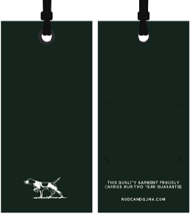
Australian Cotton Swingtag | HST03-AUSTRALIAN COTTON TBC | AU Cotton | CADICA | 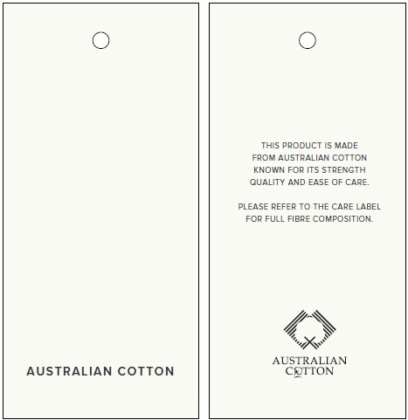
PLU Sticker |  |  | Checknet

PACKING INSTRUCTIONS:

3 pieces of tissue paper inside garment
100% Pre-consumer certified Recycled Content LDPE 4
Standard narrow fold
Dri-Micro Clay Pak

THIS DESIGN IS THE PROPERTY OF RODD & GUNN

