STYLE INFORMATION
STYLE NO: | SP0486 | SEASON: | AW 26 | COLOUR | STORY | MONTH | EX-FAC | UPDATES
STYLE NAME: | TBC | BUYPLAN: | TBC | Eclipse |  | TBC | TBC
DESCRIPTION: | Fleece Hooded Sweatshirt | DATE CREATED: | 2025-08-19 | Slate
FIT: | SP0403 | PRODUCT DEVELOPER: | JN | Noir
BASE STYLE: | SP0403 | SUPPLIER: | Un-Available (Vietnam) | Forest
 |  |  |  | Oxblood
FABRIC DETAILS |  | SAMPLE REQUIREMENTS
MILL: | Un- Available, Vietnam | SAMPLE SIZE: | M
ARTICLE: | 1-0141A01-S0162 FLEECE 85% BCI AUSTRALIAN COTTON 15%POLYESTER 330GSM | PROTO: | ASAP - Melbourne office
HOOD: | 100% BCI Australian Cotton single jerseyTBC | PP: | 2x PP samples per colourway 1x to Melbourne office, 1x to HCM office
CUFFS & HEM: | 1-1731A05-S0162 RIB 1X1 100% BCI AUSTRALIAN COTTON 430GSM TBC | SMS: | 2x Samples to HCM office due 19/12/2025
 |  | SHIPMENT: | 1 Week Prior to shipment - HCM office
 |  | MARKETING: | 1 Week Prior to shipment - Melbourne office

FRONT |  | BACK |  | FABRIC SWATCH
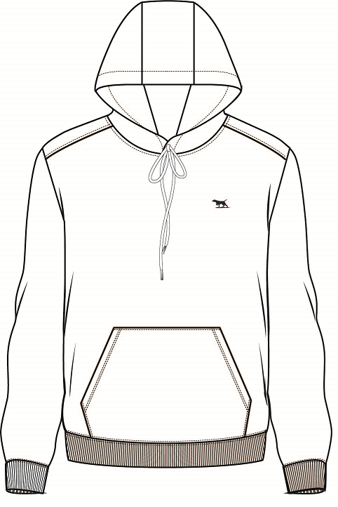

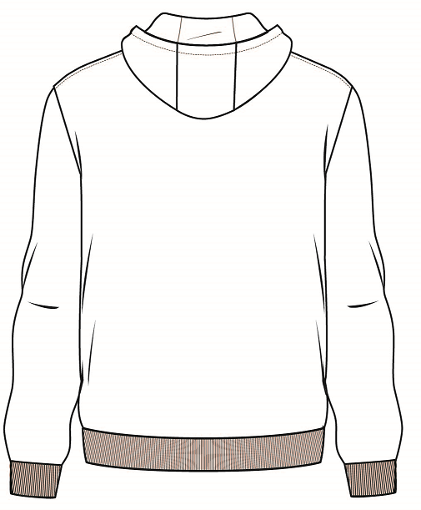

 | STYLING DETAILS
Fleece pop over hoodie VẢI CHÍNH BẰNG VẢI NỈ
3 panel hood, jersey lined with heavy drawcord, branded metal ends and buttonholes for the drawcord, Hood stay stiches (x2) at hood seams at top to secure the drawcord MŨ ÁO GỒM 3 MẢNH, LÓT VẢI JERSEY, DÂY LUỒN ĐẦU KIM LOẠI VÀ LỖ KHUY ĐỂ LUỒN DÂY. PHẦN MŨ CÓ 2 ĐƯỜNG MAY CỐ ĐỊNH Ở ĐƯỜNG NỐI PHÍA TRÊN ĐỂ GIỮ DÂY
Heavy 1x1 cuffs (doubled) with 2 x 4mm tipping stripe (4mm gap between the stripes) RIB 1X1 GẬP ĐÔI TẠI LAI TAY, RIB SỌC RỘNG 4MM KHOẲNG CÁCH 4MM GIỮA 2 SỌC
Heavy 1x1 hem (doubled) RIB 1X1 2 LỚP TẠI LAI ÁO
15mm mid-weight 100% Cotton Herringbone tape at back neck seam as per SP0455 DÂY TAPE XƯƠNG CÁ VIỀN CỔ SAU RỘNG 15MM NHƯ MÃ SP0455
Self fabric back neck facing BÁN NGUYỆT CỔ SAU BẰNG VẢI CHÍNH
2 Needle coverstitch over shoulder/armholes/cuff/hem/pocket/hood seams DIỄU 2 KIM TẠI VAI/ NÁCH/ LAI TAY/ LAI ÁO/ TÚI/ NÓN
Jelly clear / mobillion tape in shoulder seams DÂY BÁNH PHỞ TẠI ĐM VAI
Self fabric kanga pocket TÚI BẰNG VẢI CHÍNH
Two colour embroidery on front left chest 35mm width HÌNH THÊU TẠI NGỰC TRÁI RỘNG 35MM

* Note bulk fabrics must be SGS tested and meet R&G standards before bulk can be cut CHÚ Ý VẢI SX CẦN TEST SGS VÀ ĐẠT TIÊU CHUẨN R&G TRƯỚC KHI CẮT CHO SX
FINISHING INSTRUCTIONS
WASHING: |  |  | Heavy Garment Wash - TBC
PRESSING / STEAMING: |  |  | Generous steaming only - no flat pressing

THIS DESIGN IS THE PROPERTY OF RODD & GUNN

COLOURS & TRIMS
STYLE NO: | SP0486 |  | DATE CREATED: | 2025-08-19 |  |  |  |  |  |  | UPDATES
STYLE NAME: | TBC
DESCRIPTION: | Fleece Hooded Sweatshirt

Eclipse |  |  |  |  |  | Slate
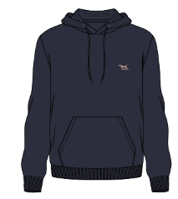
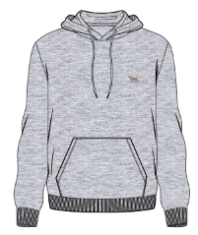

FABRICS | COLOUR | COLOUR CODE | ARTICLE / SUPPLIER | DETAIL | OTHER | FABRICS | COLOUR | COLOUR CODE | ARTICLE / SUPPLIER | DETAIL | OTHER
Body, sleeves & hood | Eclipse | A TBC | Un-Available | Cotton Fleece |  | Body, sleeves & hood | Slate | A TBC | Un-Available | Cotton Fleece
Hood lining | Eclipse | A TBC | Un-Available | Cotton single jersey |  | Hood lining | Slate | A TBC | Un-Available | Cotton single jersey
Hem & cuffs | Eclipse | A TBC | Un-Available | Heavy weight 1x1 rib |  | Hem & cuffs | Slate | A TBC | Un-Available | Heavy weight 1x1 rib
TRIMS | COLOUR | ARTICLE / CODE | SUPPLIER | DETAIL | IMAGES | TRIMS | COLOUR | ARTICLE / CODE | DETAIL | SUPPLIER | IMAGES
Topstitching | Eclipse | C7960, Epic EcoVerde TBC | Coats | Tex 40 |  | Topstitching | Slate | C9370, Epic EcoVerde TBC | Coats | Tex 40
Coverstitching | Eclipse | C7960, Epic EcoVerde + Gramax EcoVerde TBC | Coats | Tex 40 |  | Coverstitching | Slate | C9370, Epic EcoVerde + Gramax EcoVerde TBC | Coats | Tex 40
Chest Embroidery | Brown / Beige | Brown: C8652, coats astra, Tex 18 Beige: C9309, coats astra, Tex 18 TBC | Coats | Tex 18 |  | Chest Embroidery | Brown / Beige | Brown: C8652, coats astra, Tex 18 Beige: C9309, coats astra, Tex 18 TBC | Coats | Tex 18
Inside Neck tape | Steel Grey Marle | Bros B13 TBC | Bros | 15mm, 100% cotton Herringbone tape |  | Inside Neck tape | Steel Grey Marle | Bros B13 TBC | Bros | 15mm, 100% cotton Herringbone tape
Drawcord | Eclipse | A TBC | Un-Available | 100% cotton |  | Drawcord | Slate | A TBC | Un-Available | 100% cotton
Drawcord ends | Matt Pewter - R&G branded | OT126, WH45 TBC | Wing Hing |  |  | Drawcord ends | Matt Pewter - R&G branded | OT126, WH45 TBC | Wing Hing
Buttonholes (for drawcord) | Eclipse | C7960, Epic EcoVerde TBC | Coats | Tex 24 |  | Buttonholes (for drawcord) | Slate | C9370, Epic EcoVerde TBC | Coats | Tex 24
Hood stay stitch at seams | Eclipse | C7960, Epic EcoVerde TBC | Coats | Tex 24 - To secure drawcord at panel seams |  | Hood stay stitch at seams | Slate | C9370, Epic EcoVerde TBC | Coats | Tex 24 - To secure drawcord at panel seams

A |  |  |  |  |  | A
ECLIPSE | As per SP0455 |  |  |  |  | SLATE | As per SP0455

THIS DESIGN IS THE PROPERTY OF RODD & GUNN

COLOURS & TRIMS (2)
STYLE NO: | SP0486 |  | DATE CREATED: | 2025-08-19 |  |  |  |  |  |  | UPDATES
STYLE NAME: | TBC
DESCRIPTION: | Fleece Hooded Sweatshirt

Noir |  |  |  |  |  | Forest
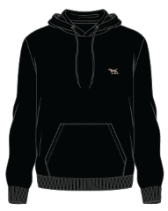
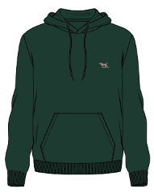

FABRICS | COLOUR | COLOUR CODE | ARTICLE / SUPPLIER | DETAIL | OTHER | FABRICS | COLOUR | COLOUR CODE | ARTICLE / SUPPLIER | DETAIL | OTHER
Body, sleeves & hood | Noir | A TBC | Un-Available | Cotton Fleece |  | Body, sleeves & hood | Forest | A TBC | Un-Available | Cotton Fleece
Hood lining | Noir | A TBC | Un-Available | Cotton single jersey |  | Hood lining | Forest | A TBC | Un-Available | Cotton single jersey
Hem & cuffs | Noir | A TBC | Un-Available | Heavy weight 1x1 rib |  | Hem & cuffs | Forest | A TBC | Un-Available | Heavy weight 1x1 rib
TRIMS | COLOUR | ARTICLE / CODE | SUPPLIER | DETAIL | IMAGES | TRIMS | COLOUR | ARTICLE / CODE | DETAIL | SUPPLIER | IMAGES
Topstitching | Noir | C9760, Epic EcoVerde TBC | Coats | Tex 40 |  | Topstitching | Forest | C5941, Epic EcoVerde TBC | Coats | Tex 40
Coverstitching | Noir | C9760, Epic EcoVerde + Gramax EcoVerde TBC | Coats | Tex 40 |  | Coverstitching | Forest | C5941, Epic EcoVerde + Gramax EcoVerde TBC | Coats | Tex 40
Chest Embroidery | Brown / Beige | Brown: C8652, coats astra, Tex 18 Beige: C9309, coats astra, Tex 18 TBC | Coats | Tex 18 |  | Chest Embroidery | Brown / Beige | Brown: C8652, coats astra, Tex 18 Beige: C9309, coats astra, Tex 18 TBC | Coats | Tex 18
Inside Neck tape | Steel Grey Marle | Bros B13 TBC | Bros | 15mm, 100% cotton Herringbone tape |  | Inside Neck tape | Steel Grey Marle | Bros B13 TBC | Bros | 15mm, 100% cotton Herringbone tape
Drawcord | Noir | A TBC | Un-Available | 100% cotton |  | Drawcord | Forest | A TBC | Un-Available | 100% cotton
Drawcord ends | Matt Pewter - R&G branded | OT126, WH45 TBC | Wing Hing |  |  | Drawcord ends | Matt Pewter - R&G branded | OT126, WH45 TBC | Wing Hing
Buttonholes (for drawcord) | Noir | C9760, Epic EcoVerde TBC | Coats | Tex 24 |  | Buttonholes (for drawcord) | Forest | C5941, Epic EcoVerde TBC | Coats | Tex 24
Hood stay stitch at seams | Noir | C9760, Epic EcoVerde TBC | Coats | Tex 24 - To secure drawcord at panel seams |  | Hood stay stitch at seams | Forest | C5941, Epic EcoVerde TBC | Coats | Tex 24 - To secure drawcord at panel seams

A |  |  |  |  |  | A
NOIR | As per SP0455 |  |  |  |  | FOREST | As per SP0455

THIS DESIGN IS THE PROPERTY OF RODD & GUNN

COLOURS & TRIMS (3)
STYLE NO: | SP0486 |  | DATE CREATED: | 2025-08-19 | UPDATES
STYLE NAME: | TBC
DESCRIPTION: | Fleece Hooded Sweatshirt

Oxblood
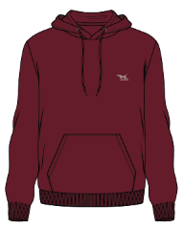

FABRICS | COLOUR | COLOUR CODE | ARTICLE / SUPPLIER | DETAIL | OTHER
Body, sleeves & hood | Oxblood | A TBC | Un-Available | Cotton Fleece
Hood lining | Oxblood | A TBC | Un-Available | Cotton single jersey
Hem & cuffs | Oxblood | A TBC | Un-Available | Heavy weight 1x1 rib
TRIMS | COLOUR | ARTICLE / CODE | SUPPLIER | DETAIL | IMAGES
Topstitching | Oxblood | C3924, Epic EcoVerde TBC | Coats | Tex 40
Coverstitching | Oxblood | C3924, Epic EcoVerde + Gramax EcoVerde TBC | Coats | Tex 40
Chest Embroidery | Brown / Beige | Brown: C8652, coats astra, Tex 18 Beige: C9309, coats astra, Tex 18 TBC | Coats | Tex 18
Inside Neck tape | Steel Grey Marle | Bros B13 TBC | Bros | 15mm, 100% cotton Herringbone tape
Drawcord | Oxblood | A TBC | Un-Available | 100% cotton
Drawcord ends | Matt Pewter - R&G branded | OT126, WH45 TBC | Wing Hing
Buttonholes (for drawcord) | Oxblood | C3924, Epic EcoVerde TBC | Coats | Tex 24
Hood stay stitch at seams | Oxblood | C3924, Epic EcoVerde TBC | Coats | Tex 24 - To secure drawcord at panel seams

A
OXBLOOD | 19-1725 TCX TBC - please submit lab dips

THIS DESIGN IS THE PROPERTY OF RODD & GUNN

LABEL & SWING TAGS
LABELS & SWING TAGS | CODE | DESCRIPTION | SUPPLIER | IMAGES
Brand Label | HBL01 TBC | Main Label | CADICA
Origin Label | HOL-VIE-S TBC | Made in Vietnam | CADICA
Size Label | HSL01 TBC | XS-3XL - Refer to PO | CADICA
CARE LABEL | TBC |  | AVERY DENNISON TBC

Brand Tag/2Y.G. | HST01 TBC | Rodd & Gunn swing tag with wax cotton string | CADICA | 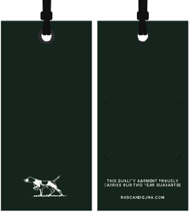
Australian Cotton Swingtag | HST03-AUSTRALIAN COTTON TBC | AU Cotton | CADICA | 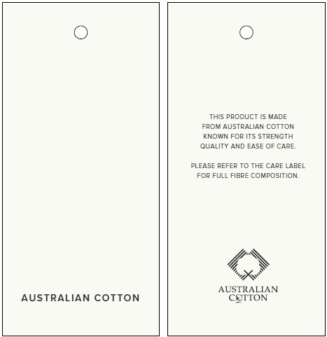
PLU Sticker |  |  | Checknet

PACKING INSTRUCTIONS:

3 pieces of tissue paper inside garment
100% Pre-consumer certified Recycled Content LDPE 4
Standard narrow fold
Dri-Micro Clay Pak

THIS DESIGN IS THE PROPERTY OF RODD & GUNN

