STYLE INFORMATION
STYLE NO: | VP0684 | SEASON: | AW 26 | COLOUR | STORY | MONTH | EX-FAC | UPDATES
STYLE NAME: | TBC | BUYPLAN: | TBC | Eclipse |  | TBC | TBC
DESCRIPTION: | Fleece Track Pant | DATE CREATED: | 2025-08-19 | Slate
FIT: | VP607 w'21 | PRODUCT DEVELOPER: | JN | Noir
BASE STYLE: | VP607 w'21 / VP0628 | SUPPLIER: | Un-Available (Vietnam) | Forest
 |  |  |  | Oxblood
FABRIC DETAILS |  | SAMPLE REQUIREMENTS
MILL: | Un- Available, Vietnam | SAMPLE SIZE: | M
ARTICLE: | 1-0141A01-S0162 FLEECE 85% BCI AUSTRALIAN COTTON 15%POLYESTER 330GSM | PROTO: | ASAP - Melbourne office
POCKETING: | 1/20s 100% Combed BCI Australian Cotton single jersey 190gsm AW TBC | PP: | 2x PP samples per colourway 1x to Melbourne office, 1x to HCM office
RIB: | 2x2 RIB 100% BCI AUSTRALIAN COTTON TBC | SMS: | 2x Samples to HCM office due 19/12/2025
 |  | SHIPMENT: | 1 Week Prior to shipment - HCM office
 |  | MARKETING: | 1 Week Prior to shipment - Melbourne office

FRONT |  | BACK |  | FABRIC SWATCH
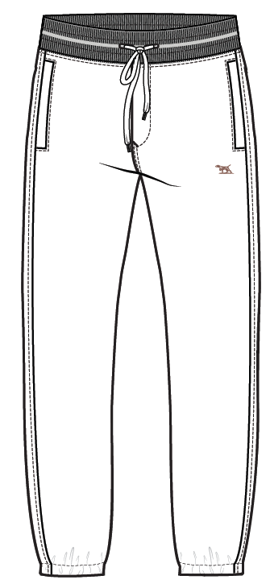
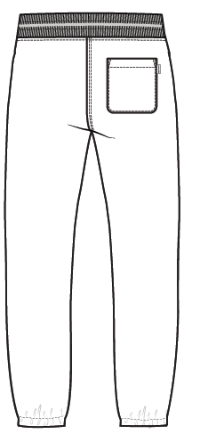

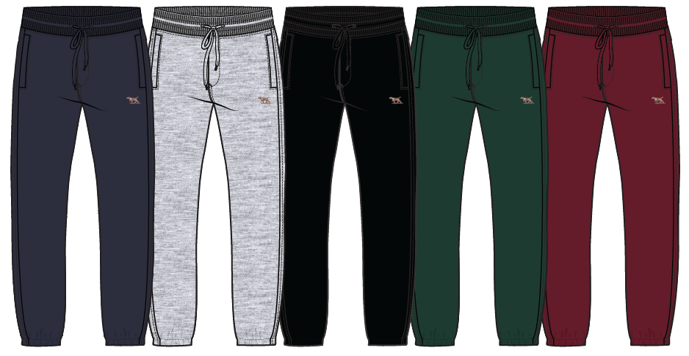

 | STYLING DETAILS
Encased elastic WB with buttonhole opening for drawcord. Buttonholes 4cm apart edge to edge.THUN TẠI LƯNG QUẦN VỚI THÙY KHUY ĐỂ LUỒN DÂY. THÙY KHUY 4CM TỪ MÉP ĐẾN MÉP
Bottom 1N WB topstitch - 0.75cm from edge DIỄU 1 KIM TẠI MÉP LƯNG DƯỚI - 0.75CM TỪ MÉP
Flat herringbone tape drawcord 1.2cm DÂY LUỒN DẸP 1.2CM
Mock fly - non functional - finishes before waistband - diagonal bartack at base FLY GIẢ - KHÔNG CÓ CHỨC NĂNG - KẾT THÚC TRƯỚC PHẦN LƯNG QUẦN - THÊM BỌ Ở ĐÁY ĐỂ CỔ ĐỊNH
1N CF fly edge and fly curve. Diagonal safety bartack at bottom of fly curve - no functional zip DIỄU 1 KIM TẠI MÉP FLY VÀ ĐƯỜNG CONG FLY. THÊM BỌ TẠI MÉP DƯỚI CỦA ĐƯỜNG CONG
2N CF and CB rise. DIỄU 2 KIM TẠI DÁY GIỮA TRƯỚC VÀ GIỮA SAU
No topstitching on Inner leg seam. 1N 0.5cm topstitching on the outer leg seam. KHÔNG CÓ ĐƯỜNG MAY SƯỜN TRONG. DIỄU 1 KIM 0.5CM TẠI SƯỜN NGOÀI
Front pocket: In -seam self fabric welt pockets. 1N 0.1cm edgestitch. Bartacks at the either side. TÚI TRƯỚC: CƠI TÚI BẰNG VẢI CHÍNH. DIỄU 1 KIM 0.1CM. BỌ TẠI CẠNH TRÊN VÀ CẠNH DƯỚI TÚI
Side seams with 1N 5mm edge stitching MÍ DIỄU 1 KIM 5MM TẠI ĐƯỜNG MAY SƯỜN
Back curved patch pocket on wearer's RHS with 1N 0.1cm edgestitching, 1N 2cm opening. Triangle and bartack at top sides - Bartacks at either ends. Pip label at outside seam as sktch (3cm from top pocket edge) TÚI ĐẮP THÂN SAU SAU TẠI ỐNG QUẦN PHẢI NGƯỜI MẶC VỚI DIỄU 1 KIM 0.1CM TẠI MÉP VÀ 1 KIM 2CM TẠI MIỆNG TÚI. BỌ HÌNH TAM GIÁC TẠI TẠI 2 GÓC MIỆNG TÚI. NHÃN ĐƯỢC MAY Ở SƯỜN NGOÀI (TỪ MIỆNG TÚI 3CM) NHƯ SKETCH
Elasticated hem with 2N 30mm topstitch THUN TẠI LAI QUẦN VỚI DIỄU 2 KIM 30MM
Two colour 3.5cm embroidery on LHS thigh HÌNH THÊU 3.5CM TẠI QUẦN TRÁI NGƯỜI MẶC
Crotch gusset MIẾNG ĐẮP Ở ĐÁY QUẦN

FINISHING INSTRUCTIONS
WASHING: |  |  | Heavy Garment Wash - TBC
PRESSING / STEAMING: |  |  | Generous steaming only - no flat pressing

THIS DESIGN IS THE PROPERTY OF RODD & GUNN

LABEL & SWING TAGS
LABELS & SWING TAGS | CODE | DESCRIPTION | SUPPLIER | IMAGES
Brand Label | HBL04 TBC | Main Label | CADICA
Origin Label | HOL-CHI-L TBC | Made in Vietnam | CADICA
Size Label | HSL03 TBC | XS-3XL - Refer to PO | CADICA
CARE LABEL | TBC |  | AVERY DENNISON TBC

Brand Tag/2Y.G. | HST01 TBC | Rodd & Gunn swing tag with wax cotton string | CADICA | 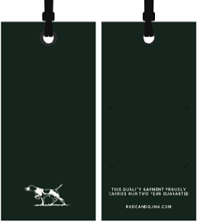
Australian Cotton Swingtag | HST03-AUSTRALIAN COTTON TBC | AU Cotton | CADICA | 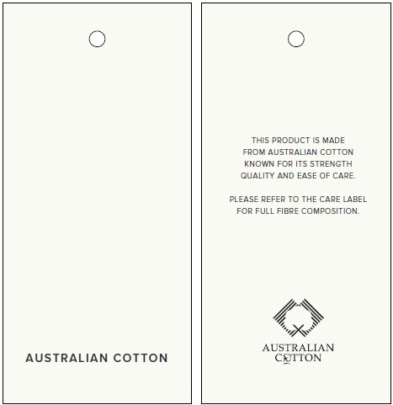
PLU Sticker |  |  | Checknet

PACKING INSTRUCTIONS:

3 pieces of tissue paper inside garment
100% Pre-consumer certified Recycled Content LDPE 4
Standard narrow fold
Dri-Micro Clay Pak

THIS DESIGN IS THE PROPERTY OF RODD & GUNN

SAMPLE MEASUREMENTS
STYLE NO: | VP0684 |  |  | DATE CREATED: | 2025-08-19 |  |  |  |  | UPDATES
STYLE NAME: | TBC
DESCRIPTION: | Fleece Track Pant

Tolerance | Points of Measure |  | Spec - S | 1ST SAMPLE | REVISION | PP SAMPLE | REVISION | PP SAMPLE | PP SAMPLE | FINAL
1 | 1/2 Waist (stretched) | 1/2 lưng quần (đo căng) | 49
1 | 1/2 Waist (relaxed) | 1/2 lưng quần (đo êm) | 39
1 | 1/2 Hip (20cm from WB seam, in a "V" shape) | 1/2 Vòng hông (đo từ đường may lưng quần xuống 20cm), theo hình dạng chữ "V" | 55.25
0.5 | Inside leg (from crotch to hem) - crotch is from the centre of the gusset | sườn trong (từ đáy đến lai) | 75
0.5 | Front Rise (incl. waistband - to gusset seam) | đáy trước | 26.5
0.5 | Back Rise (incl. waistband - to gusset seam) | đáy sau | 34.5
0.5 | Half Thigh (across leg at crotch level - not including gusset) | 1/2 đùi | 29.5
0.5 | Half Knee width | 1/2 gối | 22
0.5 | Half Bottom width (relaxed) | 1/2 lai quần (đo êm) | 14
 | Waistband height | cao lưng quần | 4
 | Front Pocket Opening | miệng túi trước | 17
 | Front pocket welt width | rộng cơi túi trước | 1.5
 | Front pocket position from WB | vị trí túi trước từ lưng quần | 2.5
 | Back Pocket Opening | miệng túi sau | 14.5
 | Back Pocket Depth at centre | rộng túi sau tại giữa | 17
 | Back pocket position from WB | vị trí túi sau từ lưng quần | 7
 | Back pocket position from CB seam | vị trí túi sau từ đường may giữa sau | 6
 | Fly width | rộng fly | 4.5
 | Hem | lai quần | 3
 | Drawcord total length | dài dây luồn | 140
 | Crotch gusset width | rộng miếng đắp đáy | 10
 | Crotch gusset length | dài miếng đắp đáy | 66

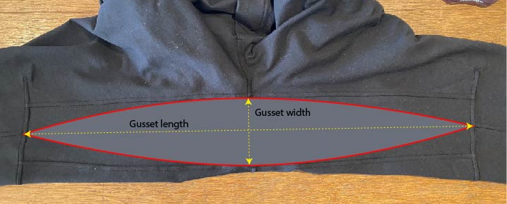
Out of tolerance guide
0.5cm
1cm
1.1-2cm

THIS DESIGN IS THE PROPERTY OF RODD & GUNN

