UA SUGGESTED ON 6.NOV
BRAVADO
SEASON: | SPRING SUMMER 2025
ARTIST: | ROLLING STONES
VENDOR: | 0
PASS OFF DATE: |  | 2024-06-17
HTM CODE | POINTS OF MEASURE |  | Tol (-) | Tol (+) | M | UA COMMENTS ON 11.OCT
VENDOR BLANK SIZE EQUIVALENT :
A | Waist Width at Top Edge - Relax |  | 0.5 | 0.5 | 14.5
B | Waist Width at Top Edge - Extended |  | 0.5 | 0.5 | 19 | UA suggested reduce this spec to match with hip and waist width relax
C | Waistband Height |  | 0.125 | 0.125 | 2
N/A | Low Hip Placement below Top of W.B Seam |  | 0 | 0 | 7
D | Low Hip Width - Straight |  | 0.5 | 0.5 | 20.5
H | Front Rise to Top of W.B at Edge |  | 0.25 | 0.25 | 12
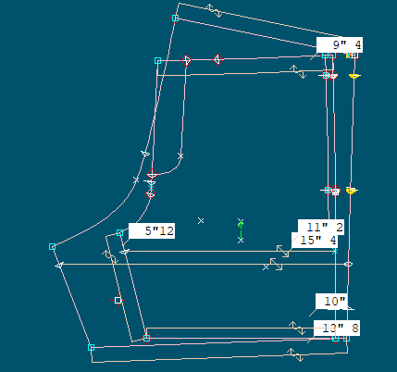
I | Back Rise to Top of W.B at Edge |  | 0.25 | 0.25 | 17
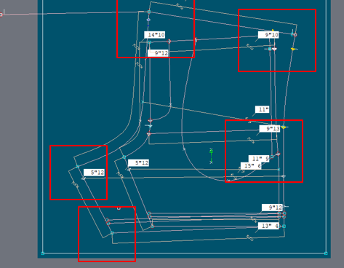
E | Thigh Width (at 1" Below Crotch) |  | 0.25 | 0.25 | 13 | Because the inseam length is short but the thigh width and bottom opening are very different -> The shape is not nice. So UA suggested increasing this point. Please see the picture next to it | =
F | Inseam from Crotch to Edge |  | 0.25 | 0.25 | 5.75
CUSTOMER REQUESTED
UA SUGGESTED
N/A | Bottom Opening at Edge - relaxed |  | 0.25 | 0.25 | 11.75 | Because the inseam length is short but the thigh width and bottom opening are very different -> The shape is not nice. So UA suggested increasing this point. Please see the picture next to it
K | Bottom Hem / Cuff Height |  | 0.125 | 0.125 | 1
N/A | J Fly Length |  | 0.125 | 0.125 | 6
N/A | J Fly Width |  | 0.125 | 0.125 | 1.5
N/A | Side Slits length |  | 0.125 | 0.125 | 1.5
N/A | Side Slits hem height |  | 0.125 | 0.125 | 0.25
N/A | Drawstring length - exposed ends |  | 0.25 | 0.25 | 9
J | Welt Pocket Opening Length |  | 0.125 | 0.125 | 6
N/A | Welt Pocket Down from Waistband Seam |  | 0.125 | 0.125 | 1
N/A | Welt Pocket Width |  | 0.125 | 0.125 | 0.375
N/A | Pocket width at back right |  | 0.25 | 0.25 | 5.5
N/A | Pocket length at back right |  | 0.25 | 0.25 | 6

